AD9783 Latency
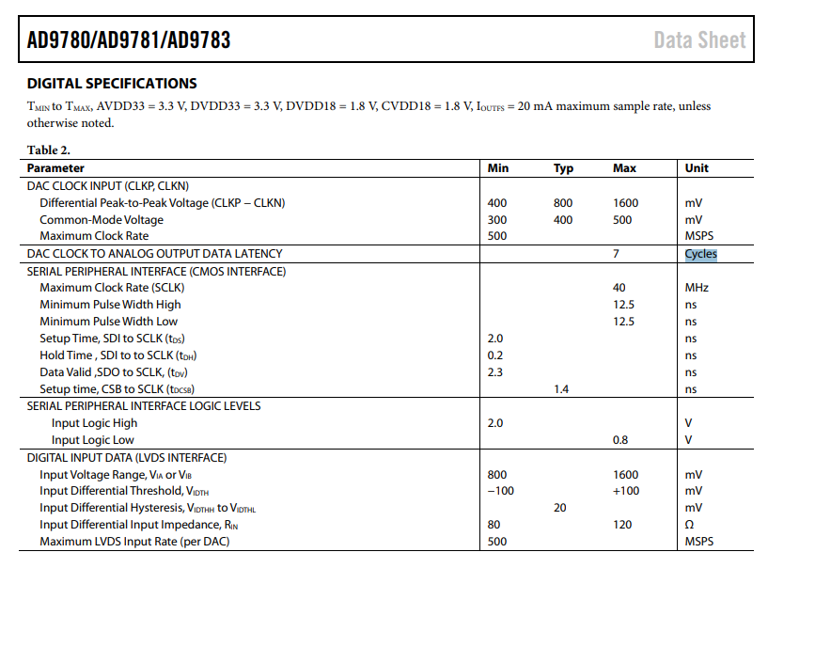
500 MSPS | 500 MHz clock

